Truck1
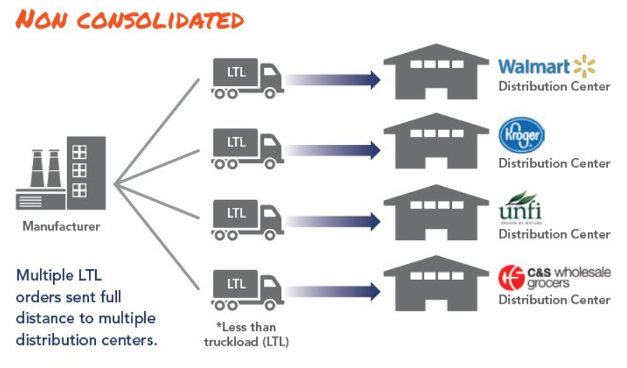
 |  |  |  | Variant | Variant
Supplier | Product | Supplier Origin | Destination (Cluster) | Aggregated Demand Boxes (10 Unit/box) | Aggregated Demand Boxes (20 Unit/box) | Aggregated demand in carton | Quantity per box/carton (unit) | Column1 | Num batches (num batch) | Volume per batch (m2) | Total Volume (m2) | Weight per unit (kg) | Total weight (Ton)
Pfizer | A1 | O1 | D1 | 300 | 100 | - | 64 | 4.69 | 5 | 1.52 | 7.6 | 8 | 2.4
Pfizer | A2 | O1 | D1 |  |  | 366 | 64 | 0.00 | 0 | 1.52 | 0 | 8 | 0
Pfizer | A3 | O1 | D1 | 100 | 100 | 100 | 64 | 1.56 | 2 | 1.52 | 3.04 | 8 | 0.8
 | A1 | O1 | D2 |  |  |  |  | #DIV/0! | #DIV/0! |  | #DIV/0! |  | 0
 | A2 | O1 | D2 |  |  |  |  | #DIV/0! | #DIV/0! |  | #DIV/0! |  | 0
 | A3 | O1 | D2 |  |  |  |  | #DIV/0! | #DIV/0! |  | #DIV/0! |  | 0
Sanofi | B | O2 | D1 | 680 |  |  | 200 | 3.4 | 4 | 1.5 | 6 | 3.2 | 2.176
 | B | O2 | D4 | 400 |  |  | 200 | 2 | 2 | 1.5 | 3 | 3.2 | 1.28
 | B | O2 | D5 | 400 |  |  | 200 | 2 | 2 | 1.5 | 3 | 3.2 | 1.28
J&J | C | O3 | D6 | 3000 |  |  | 3000 | 1 | 1 | 2 | 2 | 1 | 3
 | C | O3 | D7 | 3000 |  |  | 3000 | 1 | 1 | 2 | 2 | 1 | 3

Add truck depo | Malacca
 |  |  |  |  |  |  |  |  |  |  | Adjusment factor (80%) - account for inefficieccy
 |  | Scheduling (daily) |  |  |  |  |  | Master data |  | Vol | Floor Area | weight | Stack
Truck Availability |  |  |  |  |  |  |  | Product A1 | 10 unit.box | m3 | m2 | g/box
 | Truck Type | Week1 | Week2 | Week3 | Week4 | Week5 |  |  | 20unit/box | m3 | m2
O1 | Type 1 | 1 | 2
 | Type 2 | 1 | 1
 | Type 3 | 1 | 0
 | Type 4 | 1 | 0 |  |  |  |  | cluster group location
 | Type 5 | 1 | 0 |  |  |  | D1 | Malacca town | zip code1 | zip code2
O1 | Type 1
 | Type 2
 | Type 3
 | Type 4
 | Type 5
O1 | Type 1
 | Type 2
 | Type 3
 | Type 4
 | Type 5

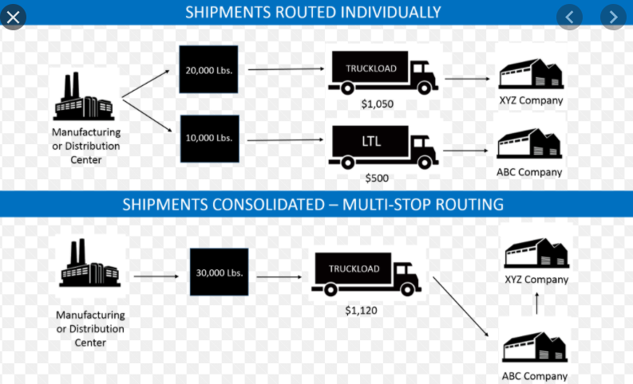
https://mover2u.com/2016/11/29/lorry-dimension-size/ |  |  |  | Capacity | Capacity weight | Vehicle number | Floor Area
Truck Type | Height (m) | Width (m) | Length (m) | Volume (m3) | Tonnage (Tons)
Type 1 | 1.9 | 1.65 | 3.2 | 10.032 | 1
Type 2 | 2.4 | 2 | 4.3 | 20.64 | 2
Type 3 | 2.2 | 3 | 7.4 | 48.84 | 4
Type 4 | 2.36 | 2.35 | 7.5 | 41.595 | 5
Type 5 | 2.3 | 2.4 | 7.6 | 41.952 | 10

 |  |  |  |  |  |  |  | https://www.supplychain247.com/article/logistics_freight_consolidation_and_its_benefits_to_shippers

